Overall Weather Impact
Overall Weather Impact
Weather Description | Total Rides | Average Rides/Hour | Hours Recorded
Clear Sky | 37373 | 61.671617162 | 606
Heavy Rain/Snow | 36 | 36 | 1
Light Rain/Thunderstorm | 2789 | 33.202380952 | 84
Misty/Cloudy | 18106 | 58.595469256 | 309
Grand Total | 58304 | 58.304 | 1000

Weather+Time Interaction
Average Weather + Time Interaction
 | Clear Sky | Heavy Rain/Snow | Light Rain/Thunderstorm | Misty/Cloudy
0 | 17.923076923 |  | 9 | 14.6
1 | 11.92 |  | 5.6666666667 | 9.6666666667
2 | 7.3043478261 |  | 4.4 | 8
3 | 5.0555555556 |  | 2.5 | 5.5555555556
4 | 1.9473684211 |  | 3 | 2.2222222222
5 | 4.2173913043 |  | 4.2 | 4.1818181818
6 | 23.041666667 |  | 10.8 | 16.538461538
7 | 60.655172414 |  | 33.75 | 44.5
8 | 135.53846154 |  | 65.833333333 | 146.9
9 | 87.541666667 |  | 49.75 | 98
10 | 56.695652174 |  | 37 | 52.375
11 | 65.695652174 |  | 39.333333333 | 54.0625
12 | 87.666666667 |  | 43 | 69.105263158
13 | 89.375 |  | 50 | 67.5625
14 | 78.625 |  | 47 | 75
15 | 82.791666667 |  | 59 | 74.25
16 | 90.185185185 | 36 | 73.5 | 93.571428571
17 | 139.61290323 |  | 26 | 151.25
18 | 119.79310345 |  | 65 | 139.91666667
19 | 84.533333333 |  | 59 | 98.777777778
20 | 60.5 |  | 56.75 | 68.222222222
21 | 46 |  | 34.333333333 | 51.3
22 | 35.555555556 |  | 29.333333333 | 35.384615385
23 | 26 |  | 19 | 25.461538462
Average of Total Count | Weather Description
Hour | Clear Sky | Heavy Rain/Snow | Light Rain/Thunderstorm | Misty/Cloudy | Grand Total
0 | 17.923076923 |  | 9 | 14.6 | 16.348837209
1 | 11.92 |  | 5.6666666667 | 9.6666666667 | 10.697674419
2 | 7.3043478261 |  | 4.4 | 8 | 7.1707317073
3 | 5.0555555556 |  | 2.5 | 5.5555555556 | 4.8709677419
4 | 1.9473684211 |  | 3 | 2.2222222222 | 2.15625
5 | 4.2173913043 |  | 4.2 | 4.1818181818 | 4.2051282051
6 | 23.041666667 |  | 10.8 | 16.538461538 | 19.571428571
7 | 60.655172414 |  | 33.75 | 44.5 | 54.395348837
8 | 135.53846154 |  | 65.833333333 | 146.9 | 128.28571429
9 | 87.541666667 |  | 49.75 | 98 | 87.428571429
10 | 56.695652174 |  | 37 | 52.375 | 53.642857143
11 | 65.695652174 |  | 39.333333333 | 54.0625 | 59.380952381
12 | 87.666666667 |  | 43 | 69.105263158 | 76.348837209
13 | 89.375 |  | 50 | 67.5625 | 78.511627907
14 | 78.625 |  | 47 | 75 | 74.418604651
15 | 82.791666667 |  | 59 | 74.25 | 77.953488372
16 | 90.185185185 | 36 | 73.5 | 93.571428571 | 89.272727273
17 | 139.61290323 |  | 26 | 151.25 | 140.20454545
18 | 119.79310345 |  | 65 | 139.91666667 | 122.86046512
19 | 84.533333333 |  | 59 | 98.777777778 | 85.139534884
20 | 60.5 |  | 56.75 | 68.222222222 | 61.76744186
21 | 46 |  | 34.333333333 | 51.3 | 46.418604651
22 | 35.555555556 |  | 29.333333333 | 35.384615385 | 35.069767442
23 | 26 |  | 19 | 25.461538462 | 25.186046512
Grand Total | 61.671617162 | 36 | 33.202380952 | 58.595469256 | 58.304

Hour Demand Pattern by Weather
Hourly Demand Pattern by Weather
 | Clear Sky | Heavy Rain/Snow | Light Rain/Thunderstorm | Misty/Cloudy
0 | 466 |  | 18 | 219
1 | 298 |  | 17 | 145
2 | 168 |  | 22 | 104
3 | 91 |  | 10 | 50
4 | 37 |  | 12 | 20
5 | 97 |  | 21 | 46
6 | 553 |  | 54 | 215
7 | 1759 |  | 135 | 445
8 | 3524 |  | 395 | 1469
9 | 2101 |  | 199 | 1372
10 | 1304 |  | 111 | 838
11 | 1511 |  | 118 | 865
12 | 1841 |  | 129 | 1313
13 | 2145 |  | 150 | 1081
14 | 1887 |  | 188 | 1125
15 | 1987 |  | 177 | 1188
16 | 2435 | 36 | 147 | 1310
17 | 4328 |  | 26 | 1815
18 | 3474 |  | 130 | 1679
19 | 2536 |  | 236 | 889
20 | 1815 |  | 227 | 614
21 | 1380 |  | 103 | 513
22 | 960 |  | 88 | 460
23 | 676 |  | 76 | 331
Sum of Total Count | Weather Description
Hour | Clear Sky | Heavy Rain/Snow | Light Rain/Thunderstorm | Misty/Cloudy | Grand Total
0 | 466 |  | 18 | 219 | 703
1 | 298 |  | 17 | 145 | 460
2 | 168 |  | 22 | 104 | 294
3 | 91 |  | 10 | 50 | 151
4 | 37 |  | 12 | 20 | 69
5 | 97 |  | 21 | 46 | 164
6 | 553 |  | 54 | 215 | 822
7 | 1759 |  | 135 | 445 | 2339
8 | 3524 |  | 395 | 1469 | 5388
9 | 2101 |  | 199 | 1372 | 3672
10 | 1304 |  | 111 | 838 | 2253
11 | 1511 |  | 118 | 865 | 2494
12 | 1841 |  | 129 | 1313 | 3283
13 | 2145 |  | 150 | 1081 | 3376
14 | 1887 |  | 188 | 1125 | 3200
15 | 1987 |  | 177 | 1188 | 3352
16 | 2435 | 36 | 147 | 1310 | 3928
17 | 4328 |  | 26 | 1815 | 6169
18 | 3474 |  | 130 | 1679 | 5283
19 | 2536 |  | 236 | 889 | 3661
20 | 1815 |  | 227 | 614 | 2656
21 | 1380 |  | 103 | 513 | 1996
22 | 960 |  | 88 | 460 | 1508
23 | 676 |  | 76 | 331 | 1083
Grand Total | 37373 | 36 | 2789 | 18106 | 58304

Weather vs Weekday
Weather vs Weekday
 | 0 | 1 | 2 | 3 | 4 | 5 | 6
Clear Sky | 6661 | 4204 | 3593 | 5456 | 6638 | 6173 | 4648
Heavy Rain/Snow |  |  |  | 36
Light Rain/Thunderstorm | 219 | 271 | 475 | 951 | 26 | 286 | 561
Misty/Cloudy | 1241 | 3975 | 4315 | 1606 | 1794 | 2636 | 2539

Sum of Total Count | Weekday
Weather Description | 0 | 1 | 2 | 3 | 4 | 5 | 6 | Grand Total
Clear Sky | 6661 | 4204 | 3593 | 5456 | 6638 | 6173 | 4648 | 37373
Heavy Rain/Snow |  |  |  | 36 |  |  |  | 36
Light Rain/Thunderstorm | 219 | 271 | 475 | 951 | 26 | 286 | 561 | 2789
Misty/Cloudy | 1241 | 3975 | 4315 | 1606 | 1794 | 2636 | 2539 | 18106
Grand Total | 8121 | 8450 | 8383 | 8049 | 8458 | 9095 | 7748 | 58304

Total Rentals by Weather
Total Rentals by Weather
Total rentals by weather
Weather Description | Sum of Total Count
Clear Sky | 37373
Heavy Rain/Snow | 36
Light Rain/Thunderstorm | 2789
Misty/Cloudy | 18106
Grand Total | 58304

Dashboard
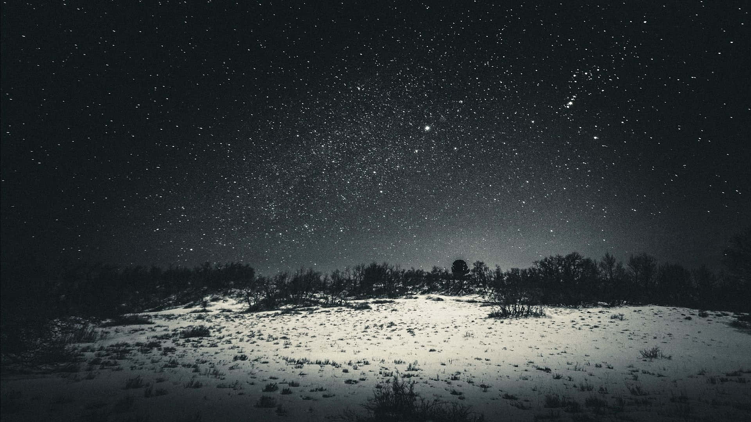
Bike Sharing Demand Analysis

Overall Weather Impact
 | Total Rides | Average Rides/Hour | Hours Recorded
Clear Sky | 37373 | 61.671617162 | 606
Heavy Rain/Snow | 36 | 36 | 1
Light Rain/Thunderstorm | 2789 | 33.202380952 | 84
Misty/Cloudy | 18106 | 58.595469256 | 309
Average Weather + Time Interaction
 | Clear Sky | Heavy Rain/Snow | Light Rain/Thunderstorm | Misty/Cloudy
0 | 17.923076923 |  | 9 | 14.6
1 | 11.92 |  | 5.6666666667 | 9.6666666667
2 | 7.3043478261 |  | 4.4 | 8
3 | 5.0555555556 |  | 2.5 | 5.5555555556
4 | 1.9473684211 |  | 3 | 2.2222222222
5 | 4.2173913043 |  | 4.2 | 4.1818181818
6 | 23.041666667 |  | 10.8 | 16.538461538
7 | 60.655172414 |  | 33.75 | 44.5
8 | 135.53846154 |  | 65.833333333 | 146.9
9 | 87.541666667 |  | 49.75 | 98
10 | 56.695652174 |  | 37 | 52.375
11 | 65.695652174 |  | 39.333333333 | 54.0625
12 | 87.666666667 |  | 43 | 69.105263158
13 | 89.375 |  | 50 | 67.5625
14 | 78.625 |  | 47 | 75
15 | 82.791666667 |  | 59 | 74.25
16 | 90.185185185 | 36 | 73.5 | 93.571428571
17 | 139.61290323 |  | 26 | 151.25
18 | 119.79310345 |  | 65 | 139.91666667
19 | 84.533333333 |  | 59 | 98.777777778
20 | 60.5 |  | 56.75 | 68.222222222
21 | 46 |  | 34.333333333 | 51.3
22 | 35.555555556 |  | 29.333333333 | 35.384615385
23 | 26 |  | 19 | 25.461538462

Hourly Demand Pattern by Weather
 | Clear Sky | Heavy Rain/Snow | Light Rain/Thunderstorm | Misty/Cloudy
0 | 466 |  | 18 | 219
1 | 298 |  | 17 | 145
2 | 168 |  | 22 | 104
3 | 91 |  | 10 | 50
4 | 37 |  | 12 | 20
5 | 97 |  | 21 | 46
6 | 553 |  | 54 | 215
7 | 1759 |  | 135 | 445
8 | 3524 |  | 395 | 1469
9 | 2101 |  | 199 | 1372
10 | 1304 |  | 111 | 838
11 | 1511 |  | 118 | 865
12 | 1841 |  | 129 | 1313
13 | 2145 |  | 150 | 1081
14 | 1887 |  | 188 | 1125
15 | 1987 |  | 177 | 1188
16 | 2435 | 36 | 147 | 1310
17 | 4328 |  | 26 | 1815
18 | 3474 |  | 130 | 1679
19 | 2536 |  | 236 | 889
20 | 1815 |  | 227 | 614
21 | 1380 |  | 103 | 513
22 | 960 |  | 88 | 460
23 | 676 |  | 76 | 331
Weather vs Weekday
 | 0 | 1 | 2 | 3 | 4 | 5 | 6
Clear Sky | 6661 | 4204 | 3593 | 5456 | 6638 | 6173 | 4648
Heavy Rain/Snow |  |  |  | 36
Light Rain/Thunderstorm | 219 | 271 | 475 | 951 | 26 | 286 | 561
Misty/Cloudy | 1241 | 3975 | 4315 | 1606 | 1794 | 2636 | 2539

Total Rentals by Weather
 | Total
Clear Sky | 37373
Heavy Rain/Snow | 36
Light Rain/Thunderstorm | 2789
Misty/Cloudy | 18106
Total rentals by weather
 | Total
Clear Sky | 37373
Heavy Rain/Snow | 36
Light Rain/Thunderstorm | 2789
Misty/Cloudy | 18106

